V3
 | Qty | Purpose | Notes | Image | Purchase Option | Cost
Note: This project is open-source, and many of the components have discretionary alternatives. While it is impossible to list the limitless possibilities, an effort was made to provide the most common substitutions in the Notes section. Items where a decision or calculation must be made are listed in purple to draw subtle attention. It is absolutely critical that you use the frame-size calculator (metric/imperial) to understand what size your machine will be before you start sourcing parts. If you have any questions, please visit the Discord. Finally, the Ali Express Store Kit is totally customizable. To get your custom order, simply use the build calculator (metric only, imperial currently not working) and send your request to the seller at the end.

Hardware & Electronics
Linear Rails | Qty | Purpose | Notes | Image | Options | Cost
HGR15 Linear Rails (X-Axis Top; Custom Length) | 1 | X-Axis Movement | - Length of rails calculated using the frame size calculator - Should be included in Aliexpress Linear Hardware Kit |  | 900mm
HGR15 Linear Rails (X-Axis Bottom; Custom Length) | 1 | X-Axis Movement | - Length of rails calculated using the frame size calculator - Should be included in Aliexpress Linear Hardware Kit |  | 840mm
HGR15 Linear Rails (Y-Axis; Custom Length) | 2 | Y-Axis Movement | - Length of rails calculated using the frame size calculator - Should be included in Aliexpress Linear Hardware Kit |  | 620mm
HGR15 Linear Rails - 190/220mm Linear Rails | 2 | Z-Axis Movement | - Select length based on 2/4 cartridge Z-Axis - Should be included in Aliexpress Linear Hardware Kit |  | 250mm
HGH15CA Linear Rail Carriage | 9 or 11 | X/Y/Z-Axis Movement | - 9 for 2 cartridge Z-Axis or 11 for 4 cartridge Z-Axis - Carriages need grease fittings for lubrication (included with the AliExpress Kit) - Should be included in Aliexpress Linear Hardware Kit

Ball Screws | Qty | Purpose | Notes | Image | Options | Cost
SFU1204 Ball Screw (X-Axis; Custom Length) | 1 | X-Axis Movement | - Length of screws calculated using the frame size calculator - Ball screw size evaluated based on machine size - Should be included in Aliexpress Linear Hardware Kit |  | 1000mm
SFU1204 Ball Screws (Y-Axis; Custom Length) | 2 | Y-Axis Movement | - Length of screws calculated using the frame size calculator - Ball screw size evaluated based on machine size - Should be included in Aliexpress Linear Hardware Kit |  | 700mm
SFU1204-230mm Ball Screw (Z-Axis) | 1 | Z-Axis Movement | - Same between 2/4 cartridge Z-Axis - Should be included in Aliexpress Linear Hardware Kit

Contact Bearings, Bearings, Belts, Pulleys, etc. | Qty | Purpose | Notes | Image | Options | Cost
BK10 Angular Contact Bearings | 4 | X/Y/Z-Axis Stepper-end Ball Screw Support | - Bearing size (BKBF10) chosen to fit 1204 ball screw (Z-Axis) - Should be included in Aliexpress Linear Hardware Kit
KP08 Bearing | 3 | X/Y-Axis Ball Screw Support | - Should be included in Aliexpress Linear Hardware Kit
GT2 Pulley (Teeth?/Width?/Mounting?) | 6 | X/Y-Axis Movement | - Should be included in Aliexpress Linear Hardware Kit
Ball Screw Pulley (Teeth?/Width?/Mounting?) | 1 | Z-Axis Movement | - Should be included in Aliexpress Linear Hardware Kit
Belt (Length?/Width?) | 4 | X/Y/Z-Axis Movement | - Should be included in Aliexpress Linear Hardware Kit
105RS Bearing | 9 | X/Y-Axis Belt Tensioner Component | - Should be included in Aliexpress Linear Hardware Kit
DSG12 | 1 | X-Axis Movement | - Should be included in Aliexpress Linear Hardware Kit

Stepper Motors, Drivers, etc. | Qty | Purpose | Notes | Image | Options | Cost
Open-Loop
DM542 Stepper Drivers | 4 | X/Y/Z-Axis Movement
NEMA17 60mm 0.72Nm Stepper Motor 5mm | 4 | X/Y/Z-Axis Movement | - Length will change torque capabilities
22/24 AWG, 4C Shielded Cable (Length?) | 1 | Stepper Motor Wiring | - Use drag-chain rated cable, continuous flex cable for X/Z- Axis, Y-Axis not required - Check Minimum Bend Radius - Wire Sizing: 24V (22 AWG) or 36V (24 AWG)
Closed-Loop
NEMA17 60mm 0.72Nm Stepper Motor 5mm (Integrated Driver) | 4 | X/Y/Z-Axis Movement | - Closed-Loop without integrated driver will not fit inside 50x50 steel tubing. - Length will change torque capabilities
24/26 AWG, 8C Shielded Cable (Length?) | 1 | (Signal) Stepper Motor Wiring | - Use drag-chain rated cable, continuous flex cable for X/Z- Axis, Y-Axis not required (can use patch cables). - Check Minimum Bend Radius - CAT5/CAT5e/CAT6/CAT6e wire
22/24 AWG, 2C Cable (Length?) | 1 | (Power) Stepper Motor Wiring | - Use drag-chain rated cable or single strands of PTFE wire - Check Minimum Bend Radius - Wire Sizing: 24V (22 AWG) or 36V (24 AWG)

Movement Controller | Qty | Purpose | Notes | Image | Options | Cost
grblhal
grblhal2k | 1 | X/Y/Z-Axis Movement and endstops | - PrintNC Wiki Info - Board has RS-485 spindle control built in - Only 12-28V power supply required - For 2 pin limit switches, use SIG and GRD
LinuxCNC
5-Axis Breakout Board (Parallel) *OR* | 1 | X/Y/Z-Axis Movement and endstops | - Cheap option to get machine running - Requires an older PC running LinuxCNC machine with a parallel port - Suggested upgrade to a Mesa 7I96 or Mesa 7I76E
Mesa 7i96 or 7i76e | 1 | X/Y/Z-Axis Movement and endstops | - Has more input/outputs than the parallel port breakout board

Spindle, Spindle Controller, Mounts, Spindle Misc. | Qty | Purpose | Notes | Image | Options | Cost
Spindle Option
0.8/1.5 kW 120V/240V Water-Cooled Spindle | 1 | Cutting | - Choose 120V or 240V based on your electrical setup at your home/shop | Image
1.5 kW 120V/240V Inverter | 1 | Spindle Controller | - Choose 120V or 240V based on your electrical setup at your home/shop | Image
ER11/16 Collet Set | 1 | Spindle Tool Holder | - Some 1.5kW spindles may take ER16 collets | Image
75 W Water Pump | 1 | Spindle cooling |  | Image
Water Tubing (5 m) | 2 | Spindle cooling | - 6mm ID, 8mm OD | Image
16/18 AWG, 4C Double-Shielded VFD Cable (~3 m) | 1 | Spindle Wiring | - Custom length - Use drag-chain rated cable and check Minimum Bend Radius - Double shielding or high quality VFD-rated cable recommended - Wire Sizing: 16 AWG for 1.5kW 120V Spindle, 18 AWG for 0.8kW 120V Spindle, 18 AWG for 1.5kW 220V Spindle
Bucket/Tub with Lid | 1 | Water-Cooled Spindle Water Reservoir | - Suggested: 5-gallon bucket with a lid

Router Option
Makita RT0701C | 1 | Cutting | - Pick an appropriate trim router that fits a 65mm mount

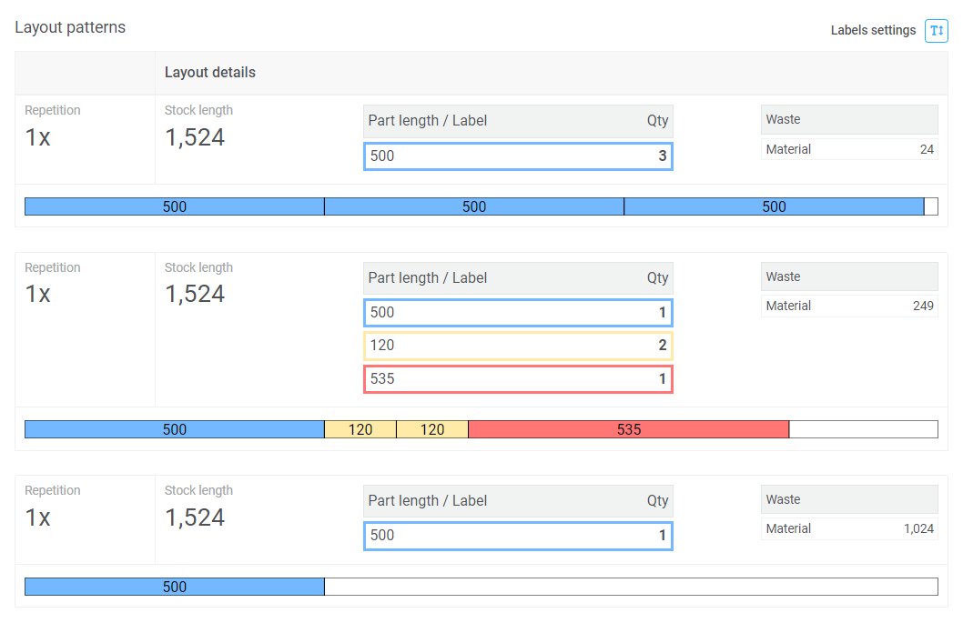
Misc.
65mm Mount | 1 | Attaches Spindle to Z-Axis faceplate
Cable Chain (Length?) | 1 | Cable management | - Custom length

(50mmx50mm steel tubing) 500mm x 500mm (dual Z) List (HTLNC) [Special Thanks to cerz on Discord]
SFU1204 ball screw, single nut, machined ends - 2 x 510 mm - 1 x 540 mm - 1 x 230 mm Ball screw end support - 4 x BK10 only, with angular contact bearings Pillow Block Bearing - 3 x KP08 Ballscrew Nut Housing - 1 x DSG12H HGR15 linear rails with HGH15CA carriages - 1 x 450 mm + 2 x HGH15CA (X [Top]) - 2 x 430 mm + 4 x HGH15CA (Y) - 1 x 390 mm + 1 x HGH15CA (X [Bottom]) - 2 x 220 mm + 4 x HGH15CA (Z)

Misc. Hardware
Bolts, Nuts, Misc. | Qty | Purpose | Notes | Image | Options | Cost
Various M4/M5/M6 bolts | ~ | Frame, rails, rollers, gantry and printed component mounting | - Quantity depends on the frame size | Image | Aliexpress Store Kit, Grainger, Bolt Depot, McMaster Carr
M5x100mm (Any Head) Bolt | 12 | Y-Axis Roller Block Assemblies | - Alternatives: 10-24 4" bolts, or 120mm Threaded Rod with extra nylock nuts | Image | Grainger, Fastenal
M5x120mm Threaded Rod | 6 | X-Axis Roller Block Assembly | - Alternative: 10-24 6.5" threaded rod with extra nylock nuts | Image | Grainger
M5 Nyloc Nut | 24 | X-Axis Roller Block Assembly | - Alternative: 10-24 Nyloc Nuts | Image | Grainger
M6x1mm Grease Fitting | 4 | Lubrication Access for Ballscrew Nuts

Frame (Aluminum) | Qty | Purpose | Notes | Image | Options | Cost
Aluminum Faceplate 220x115x12mm (4 Carriage) | 1 | Main Z-Axis Assembly Piece | - Can be made from plywood initially, milled using an existing CNC, or purchased (Discord has a #marketplace channel)
Aluminum Tramming Plate 140x130x10mm (4 Carriage) | 1 | Tramming (Aligning) of Z-Axis
Aluminum Spacer Plate ?x?x?mm (Optional) | 1 | Tramming (Aligning) of Z-Axis
Aluminum Angle (1x2x9" or 25x50x250mm, 8mm thick) | 1 | Bottom Rail of Z-Axis
 |  |  |  |  |  |  |  | Using 5 ft sections
Frame (Steel) | Qty | Purpose | Notes | Image | Options | Cost
X-Gantry Frame (2x2"/50x50mm; Custom Length) | 1 | Main Frame | - 11 gauge (0.12", 3mm) hot-rolled steel rectangular tubing recommended |  |  | 50 | https://www.steelsupplylp.com/sku/183589?gad_source=1&gclid=Cj0KCQiAj_CrBhD-ARIsAIiMxT8_Jp6W19kQJes_jCm4TvQN5udDvX96bBCcoa1--jAYvcech7qb3yEaAo7-EALw_wcB
X-Support Frame (1x2"/25x50mm; Custom Length) | 3 | Main Frame |  |  |  | 52
Y-Support Frame (2x2"/50x50mm; Custom Length) | 2 | Main Frame
Y-Roller (2x2x3.5" or 50x50x120mm) | 2 | Y-Axis Movement

Misc | Qty | Purpose | Notes | Image | Options | Cost
MDF Wasteboard | 1 | Workpiece Holding | - Sizing depends on machine size - (Optional) Place sheet of plywood below the wasteboard for additional rigidity and to bring the workpiece up closer to the spindle.
Aluminum Plate | 1 | Workpiece Holding | - Typically goes under MDF wasteboard - Allows more rigid, precise, modular workholding

Misc. Electronics
 | Qty | Purpose | Notes | Image | Options | Cost
Limit Switches - 6mm momentary 2 pin normally closed. One option here: https://www.mcmaster.com/tactile-switches/ | 216.6 | "Homing" the Machine | - The number of limit switches depends on your desired capability of the machine. - 2 limit switches: "home" the machine in the X/Y directions - 6 limit switches might be ideal (2 on X-Axis for min/max, 3 on Y-Axis for min/max and skew correction, and 1 on Z-Axis max).
24 AWG/4C Shielded Cable (?+ m) | 1 | Limit Switches | - Custom length - Dependent on number of limit switches |  | test
Start/Stop Switches | 1 | Latch Switch for turning the machine on/off
E-Stop Button | 1 | Safety -- Stopping the Machine
24VDC/120VAC/230VAC Contactor | 1
Control Box/Cabinet | 1 | Holding Electronics | - Roughly arrange all electrical components to determine sizing

Tools
 | Qty | Purpose | Notes | Image | Options | Cost
Hex Key Set (Metric) | 1 | Assembly of Machine | - M3, M4, M5, M6 keys
(Automatic) Center Punch | 1 | Marking Holes for Drilling
Transfer Punch Set | 1 | Marking Holes for Drilling
Wire Stripper | 1 | Stripping Wires
Wire Cutter | 1 | Cutting Wires | Pair of hobby snips works well
Crimper & Wire Terminal Kit | 1 | Wire Management | Primarily for ring/fork connectors for various terminal connections.
Crimper & Ferrules Kit | 1 | Wire Management | Ferrules help secure/manage the frayed ends of wires and make wiring easier.
Cordless Drill with Drill Guide | 1 | Drilling/Tapping Holes
Drill Bits (4.2mm, 5mm, 6.5mm, plus maybe larger size) | 1 | Drilling Holes/Pilot Holes for Taps | Pilot holes for taps: M5: 4.2mm, M6: 5mm. Consider getting 7/7.5/8mm drills to enlarge holes that don't quite match up.
Combination Drill & Tap Bit Set | 1 | Drilling/Tapping Holes | M5 and M6 are the bits that you will need most. This can be substituted for (or complemented with) a hand-tap set, but note that you will be doing well over 100 taps and these combination bits will make them considerably faster to do.

Consumables
 | Qty | Purpose | Notes | Image | Options | Cost
Loctite 263 (50ml) | 1 | Thread Locker for Bolts/Screws | Quantity is an estimate. 25ml is typically used on large PrintNC build.
Tapping Fluid (4 oz.) | 1 | Tapping Holes | Quantity is an estimate. Someone who finished the build may recommend a quantity.
White Lithium Grease & Grease Gun | 1 | Lubricating the bearings | Important: whatever grease you purchase, plan on using this for the lifetime of your machine. Mixing lubrications can cause the lubrication to not work properly and may damage your bearings.
Double-sided Tape | 1 | Assembling & Aligning X/Y Axis

3D Printed Parts
 | Qty | Purpose | Notes | Image | Options | Cost
Steel Radius Finder | 1 | Calibration | Eg. https://www.thingiverse.com/thing:304511 (not specific to the PrintNC)
NEMA 23 Motor Mount (X/Y) | 3 | Holds Motor on Frame
NEMA 23 Motor Mount (Z) | 1 | Holds Motor on Z Faceplate
Ballscrew Plates | 3 | End-Pieces for Rollers | These plates will be used on the end-faces of the rollers. Make sure you use the right size plates! If you have 2010 ballscrews you need modified faceplates.
Ballscrew Plates (Chamfered) | 3 | End-Pieces for Rollers | Identical to the previous Ballscrew Plates, except these have a chamfered interior to help align the bolts as they exit the roller housing. Make sure you use the right size plates! If you have 2010 ballscrews you need modified faceplates.
BK12/15 Mounts | 3 | Mounts BK to Frame | BK12 for 1605/1610 ballscrews; BK15 for 2010 ballscrews
BF12/15 Mounts | 3 | Mounts BF to Frame | BF12 for 1605/1610 ballscrews; BF15 for 2010 ballscrews
Ballscrew Riser T-Block | 1
Assy. Tool 1 - Y Frame Marker | 1 | Assembly of Machine
Assy. Tool 2 - X Frame Marker | 1 | Assembly of Machine
Assy. Tool 3 - Y Frame Mid Marker | 1 | Assembly of Machine
Assy. Tool 4 - Y Roller Bottom | 1 | Assembly of Machine
Assy. Tool 5 - Y Roller Top | 1 | Assembly of Machine
Assy. Tool 6 - X Gantry | 1 | Assembly of Machine
Assy. Tool 6a - X Gantry Part 2 |  | Assembly of Machine
Assy. Tool 7 - X Axis Roller | 1 | Assembly of Machine
Assy. Tool 8 - Z Face/Rail Top | 1 | Assembly of Machine
Assy. Tool 9 - Z Face/Rail Bottom | 1 | Assembly of Machine | This tool design assumes you are using rectangular tubing on the bottom of the Z-axis. Z2.1 uses an angle bracket instead, so a new/custom tool may be needed.
Assy. Tool - Center Line Marker | 1 | Assembly of Machine
Assy. Tool - Waste Board | 1 | Assembly of Machine
Assy. Tool - Frame Alignment | 1 | Assembly of Machine
Assy. Tool - Rail Centering Guide | 1 | Assembly of Machine | A tool that will help you center the linear rail on the steel frame

